Indices

 | Iraq Stock Exchange
 | Bulletin No (89)
 | ISX Trading Indices of Wednesday 20/5/2026

 | Traded Volume and OTC |  | 28,566,070,328 |  | Traded Value and OTC |  | 27,218,593,973 |  | Traders | 1332

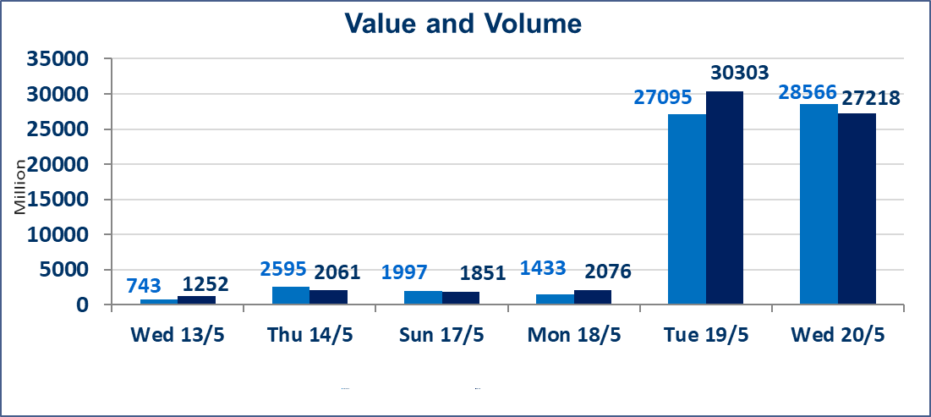
 | ISX Index 60 |  |  | 946.25 | ISX Index 15 |  |  | 1240.76
 | Previous ISX Index60 |  |  | 945.27 | Previous ISX Index15 |  |  | 1242.82
 | Change % |  |  | 0.10 | Change % |  |  | -0.17
 | Change |  |  | 0.98 | Change |  |  | -2.06

 | Listed Companies | 104 | OTC | 14 | Non Traded listed | 45 | OTC | 13
 | Traded Listed Companies | 45 | OTC | 1 | Higher Companies |  |  | 10
 | GAM Companies |  |  | 6 | Lower Companies |  |  | 16
 | Suspended Companies |  |  | 8
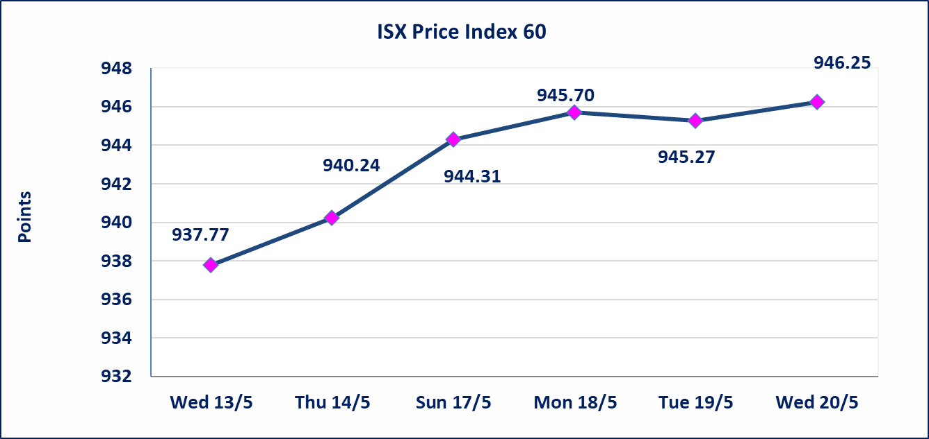
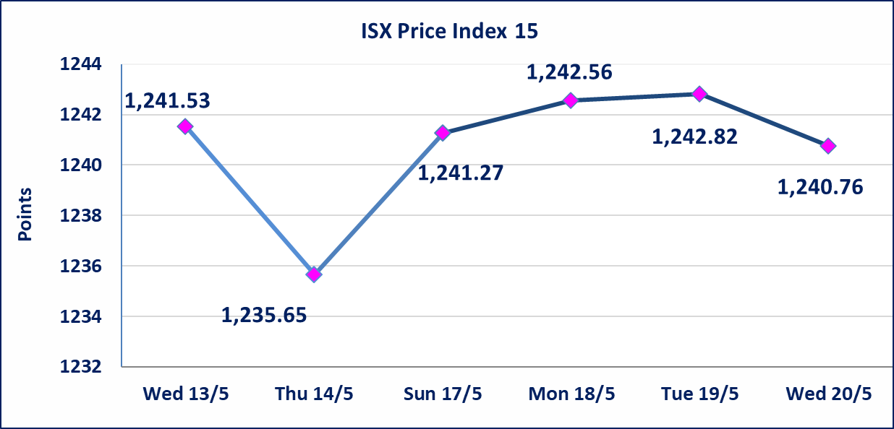

 | special orders | Elaf Brokerage Company executed a deliberate cross order on the shares of Al Qurtas Bank Company with a number of shares (24,750,000,000) shares with a value of (24,750,000,000) dinars, during the additional session time (after 1 pm) in accordance with the procedures for executing large transactions.
Al-Alwiya P.O . 3607 Mobile: 07711211522 - 07270094594 - 07834000034 E-mail: info-isx@isx-iq.net Web site:www.isx-iq.net

Top 5
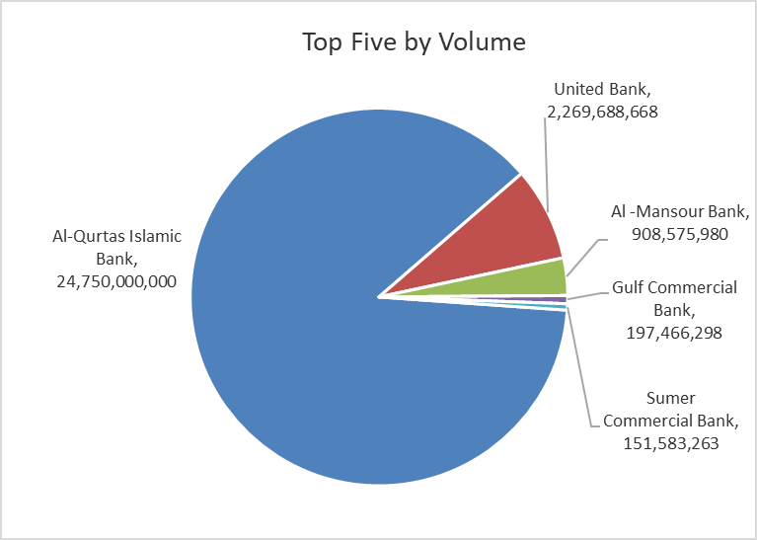
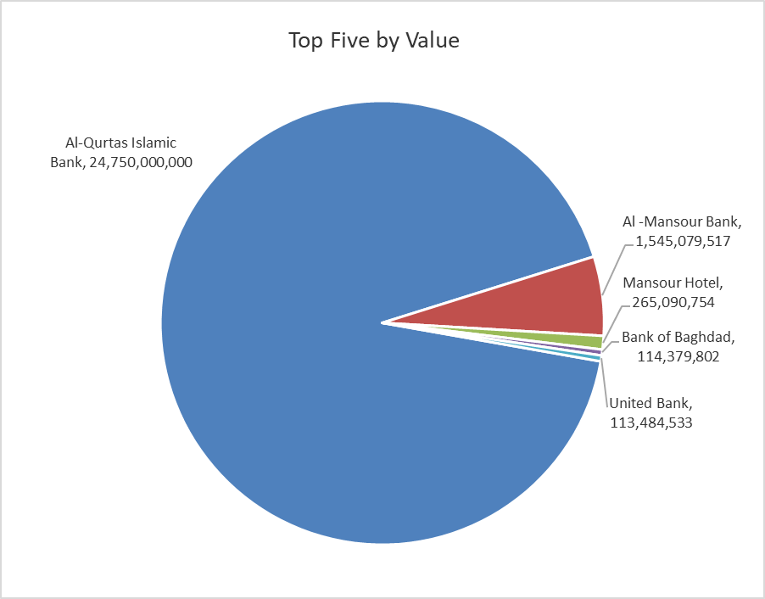

ISX top ganing and losing companies
Wednesday 20/5/2026
 | Gainers |  |  |  | Losers
 | Company Name | Closing Price | Change (%) | Traded Volume | Company Name | Closing Price | Change (%) | Traded Volume
 | Sumer Commercial Bank | 0.200 | 5.26 | 151,583,263 | United Bank | 0.050 | -16.67 | 2,269,688,668
 | National Chemical &Plastic | 1.920 | 3.23 | 2,203,106 | Iraqi Engineering Works | 6.040 | -4.88 | 500,000
 | Gulf Commercial Bank | 0.370 | 2.78 | 197,466,298 | AL-Badia for General Trans | 1.400 | -4.76 | 27,884
 | Iraqi for Seed Production | 5.040 | 2.65 | 18,182,108 | Ashur International Bank | 0.260 | -3.70 | 21,145,525
 | Mansour Hotel | 53.990 | 1.87 | 5,001,703 | Iraqi Agricultural Products | 9.200 | -2.13 | 15,000
 | The most active companies in term of traded volume and value

 | Traded Volume |  |  |  | Traded Value
 | Company Name | Closing Price | Change (%) | Traded Volume | Company Name | Closing Price | Change (%) | Traded Value
 | Al-Qurtas Islamic Bank | 1.000 | 0.00 | 24,750,000,000 | Al-Qurtas Islamic Bank | 1.000 | 0.00 | 24,750,000,000
 | United Bank | 0.050 | -16.67 | 2,269,688,668 | Al -Mansour Bank | 1.710 | 0.00 | 1,545,079,517
 | Al -Mansour Bank | 1.710 | 0.00 | 908,575,980 | Mansour Hotel | 53.990 | 1.87 | 265,090,754
 | Gulf Commercial Bank | 0.370 | 2.78 | 197,466,298 | Bank of Baghdad | 2.720 | 0.00 | 114,379,802
 | Sumer Commercial Bank | 0.200 | 5.26 | 151,583,263 | United Bank | 0.050 | -16.67 | 113,484,533

Non Iraqis

Iraq Stock Exchange
Non Iraqis' Bulletin Wednesday May 20 2026
Regular Market

Non Iraqi Trading of Regular Market (Buy)
Company Names | Code | No.of trades | Traded Shares | Trading Volume
Banks Sector
Commercial Bank of Iraq | BCOI | 2 | 3,752,123 | 2,476,401
Bank Of Baghdad | BBOB | 9 | 5,332,920 | 14,607,201
National Bank Of Iraq | BNOI | 5 | 228,622 | 909,916
Al-Mansour Bank | BMNS | 1 | 30,000 | 51,300
Total Bank sector |  | 17 | 9,343,665 | 18,044,818
Agricultural Sector
Iraqi for Seed Production | AISP | 2 | 500,000 | 2,475,000
Total Agricultural Sector |  | 2 | 500,000 | 2,475,000
Grand Total |  | 19 | 9,843,665 | 20,519,818

Non Iraqi Trading of Regular Market (Sell)
Company Names | Code | No.of trades | Traded Shares | Trading Volume
Banks Sector
National Bank Of Iraq | BNOI | 1 | 500,000 | 1,990,000
Al-Mansour Bank | BMNS | 30 | 500,000,000 | 850,000,000
Total Bank sector |  | 31 | 500,500,000 | 851,990,000
Grand Total |  | 31 | 500,500,000 | 851,990,000

Non Iraqi Trading of Second Market (BUY)
Company Names | Code | No. of trades | Traded Volume | Traded Value
Banks Sector
Credit Bank Of Iraq | BROI | 4 | 1,067,400 | 608,418
Total Bank sector |  | 4 | 1,067,400 | 608,418
Grand Total |  | 4 | 1,067,400 | 608,418

Not Trading Bonds

Iraq Stock Exchange
Wednesday 20/5/2026
Not Trading Bonds Bulletin
Bond type | Publish type | Code | last trading price | immortilize date
Banaa Bonds /Million ID | Second | CB20 | 964,981 | 19/12/2025
Eamar Bonds /Million ID | First | CB30 | 1,001,095 | ــــــــــــــــ
Eamar Bonds /Million ID | Second | CB40 | ــــــــــــــــ | ــــــــــــــــ
Eamar Bonds /500 Thousand ID | Third | CB45 | ــــــــــــــــ | ــــــــــــــــ
Eamar Bonds /Million ID | Third | CB50 | ــــــــــــــــ | ــــــــــــــــ
Injaz Bonds /500 Thousand ID | First | CB55 | ــــــــــــــــ | ــــــــــــــــ
Injaz Bonds /Million ID | First | CB60 | 951,110 | ــــــــــــــــ
Injaz Bonds /500 Thousand ID | Second | CB65 | 507,301 | ــــــــــــــــ
Injaz Bonds /Million ID | Second | CB70 | 965,050 | ــــــــــــــــ
Injaz Bonds /500 Thousand ID | Third | CB75 | ــــــــــــــــ | ــــــــــــــــ
Injaz Bonds /Million ID | Third | CB80 | 978,182 | ــــــــــــــــ
National Bonds/Million ID | First | CB90 | ــــــــــــــــ | ــــــــــــــــ
National Bonds/500 Thousand ID | Second | CB95 | ــــــــــــــــ | ــــــــــــــــ
National Bonds/Million ID | Second | CB100 | ــــــــــــــــ | ــــــــــــــــ

